PURGE CRITERION
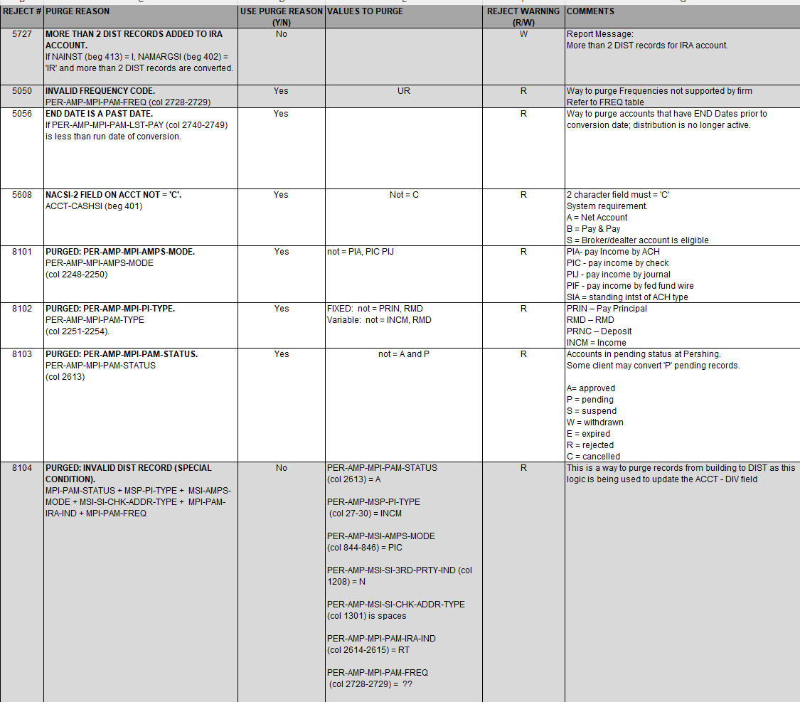
Change Date | PURGE# | PURGE REASON | USE PURGE REASON (Y/N) | VALUES TO PURGE | COMMENTS | Counts
 | 5727 | MORE THAN 2 DIST RECORDS ADDED TO IRA ACCOUNT. If NAINST (beg 413) = I, NAMARGSI (beg 402) = 'IR' and more than 2 DIST records are converted. | No |  | Report Message: More than 2 DIST records for IRA account.
 | 8101 | PURGED: PER-AMP-MPI-AMPS-MODE. PER-AMP-MPI-AMPS-MODE (col 2248-2250) | Yes | not = PIA, PIC PIJ | PIA- pay Income by ACH PIC - pay income by check PIJ - pay income by journal PIF - pay income by fed fund wire SIA = standing intst of ACH type | 70,285
 | 8102 | PURGED: PER-AMP-MPI-PI-TYPE. PER-AMP-MPI-PAM-TYPE (col 2251-2254). | Yes | FIXED: not = PRIN Variable: not = INCM, RMD | PRIN – Pay Principal RMD – RMD (is both Fixed and Variable) PRNC – Deposit INCM = Income | 12,404
 | 8103 | PURGED: PER-AMP-MPI-PAM-STATUS. PER-AMP-MPI-PAM-STATUS (col 2613) | Yes | not = A or P | Accounts in pending status at Pershing. Some client may convert 'P' pending records. A= approved P = pending S = suspend W = withdrawn E = expired R = rejected C = cancelled | 9,584
 | 8104 | PURGED: INVALID DIST RECORD (SPECIAL CONDITION). MPI-PAM-STATUS + MSP-PI-TYPE + MSI-AMPS-MODE + MSI-SI-CHK-ADDR-TYPE + MPI-PAM-IRA-IND + MPI-PAM-FREQ | No | PER-AMP-MPI-PAM-STATUS (col 2613) = A PER-AMP-MSP-PI-TYPE (col 27-30) = INCM PER-AMP-MSI-AMPS-MODE (col 844-846) = PIC PER-AMP-MSI-SI-3RD-PRTY-IND (col 1208) = N PER-AMP-MSI-SI-CHK-ADDR-TYPE (col 1301) is spaces PER-AMP-MPI-PAM-IRA-IND (col 2614-2615) = RT PER-AMP-MPI-PAM-FREQ (col 2728-2729) = ?? | This is a way to purge records from building to DIST as this logic is being used to update the ACCT - DIV field
 | 5050 | INVALID FREQUENCY CODE. PER-AMP-MPI-PAM-FREQ (col 2728-2729) | No | UR | Way to purge Frequencies not supported by firm Refer to FREQ table RED didn't purge GAL purged O GRP purged UR | 0
 | 5056 | END DATE IS A PAST DATE. If PER-AMP-MPI-PAM-LST-PAY is less MM/DD/YY | Yes | < 5/17/25 | Way to purge accounts that have END Dates prior to conversion date; distribution is no longer active. Some Firms use Non-Financial date, others use Financial date. | 7 | NF 5/7/25 FTD 5/16/25 FIN 5/17/25
 | 5607 | Variable records only: INVALID NADIVSI ON ACCOUNT. If PER-AMP-MPI-PAM-PP-DEPRMD-AMT (col 2717-2727) = zero's, ACCT - NADIVSI (beg 404) must be '1' | Yes |  | PAM-PP-DEPRMD-AMT field moves to the AMT field. If this record is a Variable DIST, the DIV field on ACCT must be '1.
 | 5608 | NACSI-2 FIELD ON ACCT NOT = 'C'. ACCT-CASHSI (beg 401) | Yes | Not = C | 2 character field must = 'C' System requirement. A = Net Account B = Pay & Pay S = Broker/dealter account is eligible
 |  |  |  |  | Total | 92,280

 |  |  |  |  | Total AMPS | 102,962
 |  |  |  |  | Purges | 92,280
 |  |  |  |  | CNIFs | 330
 |  |  |  |  | To Convert | 10,352

 | LPL - Redwood (RDW) 09/21/2024

FREQ
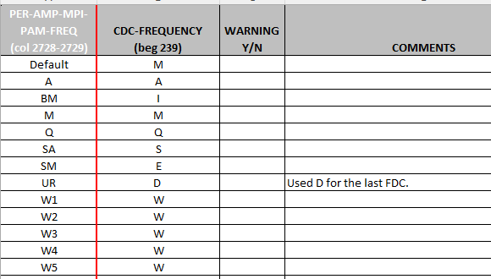
PER-AMP-MPI-PAM-FREQ (col 2728-2729) | CDC-FREQUENCY (beg 239) | WARNING Y/N | COMMENTS | Counts
Default | M | N
A | A | N |  | 3,612
BM | I | N |  | 0
M | M | N |  | 5,980
Q | Q | N |  | 431
SA | S | N |  | 75
SM | E | N |  | 106
UR | D | N | Used D for the last FDC. | 73
W1 | W | N |  | 29
W2 | W | N |  | 6
W3 | W | N |  | 10
W4 | W | N |  | 2
W5 | W | N |  | 28

 |  |  | Total | 10,352

LPL - Redwood (RDW) 09/21/2024

